Indices

 | Iraq Stock Exchange
 | Bulletin No (120)
 | ISX Trading Indices of Monday 13/7/2026

 | Traded Volume and OTC |  | 4,905,860,640 |  | Traded Value and OTC |  | 5,335,593,233 |  | Traders | 1490

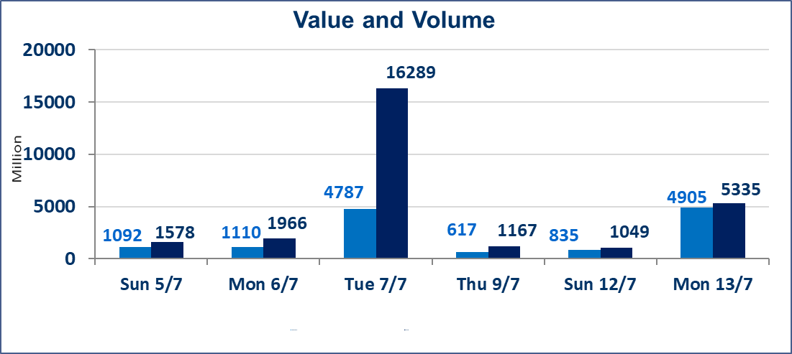
 | ISX Index 60 |  |  | 982.89 | ISX Index 15 |  |  | 1254.95
 | Previous ISX Index60 |  |  | 1014.74 | Previous ISX Index15 |  |  | 1269.77
 | Change % |  |  | -3.14 | Change % |  |  | -1.17
 | Change |  |  | -31.85 | Change |  |  | -14.82

 | Listed Companies | 103 | OTC | 17 | Non Traded listed | 48 | OTC | 16
 | Traded Listed Companies | 40 | OTC | 1 | Higher Companies |  |  | 9
 | GAM Companies |  |  | 7 | Lower Companies |  |  | 14
 | Suspended Companies |  |  | 8
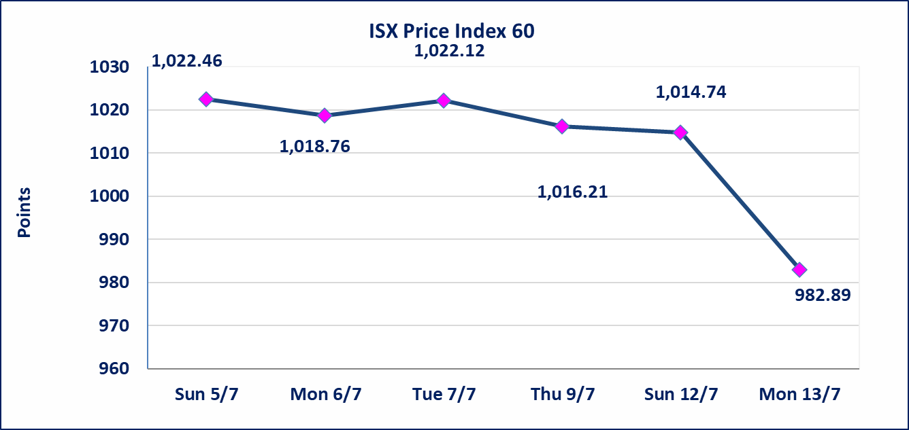
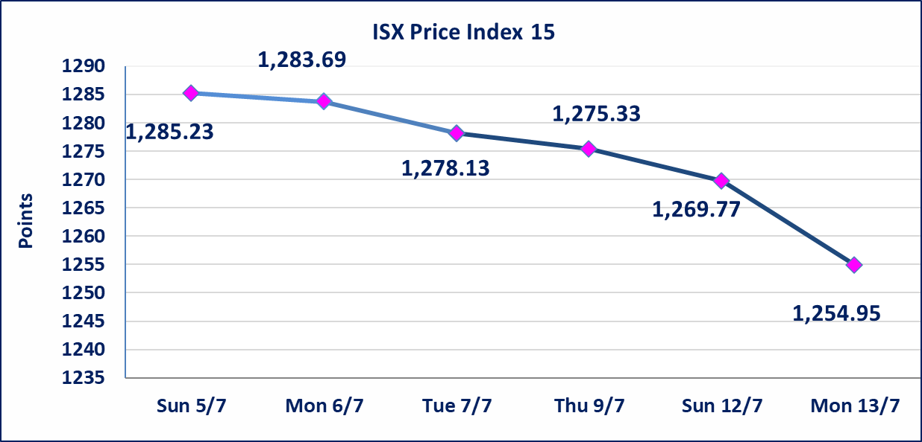

special orders |  | Elaf Brokerage Company executed an intentional cross trade involving 4,500,000,000 shares of Al-Taif Islamic Bank, valued at 4,275,000,000 dinars, during the extended trading session (after 1:00 PM) in accordance with the procedures for executing large-volume transactions..
Al-Alwiya P.O . 3607 Mobile: 07711211522 - 07270094594 - 07834000034 E-mail: info-isx@isx-iq.net Web site:www.isx-iq.net

Top 5
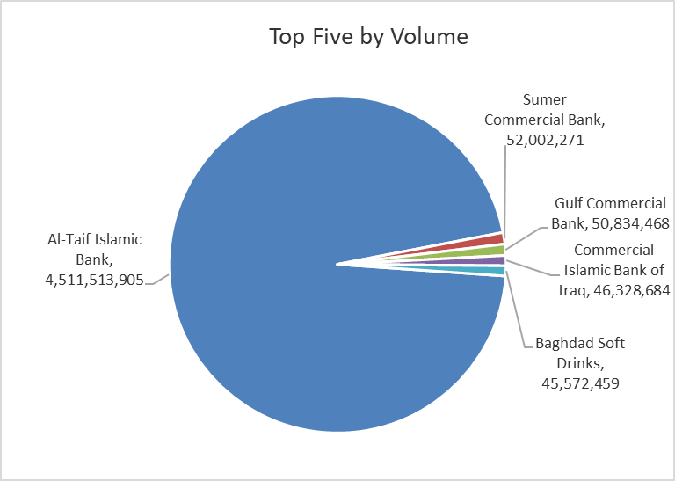
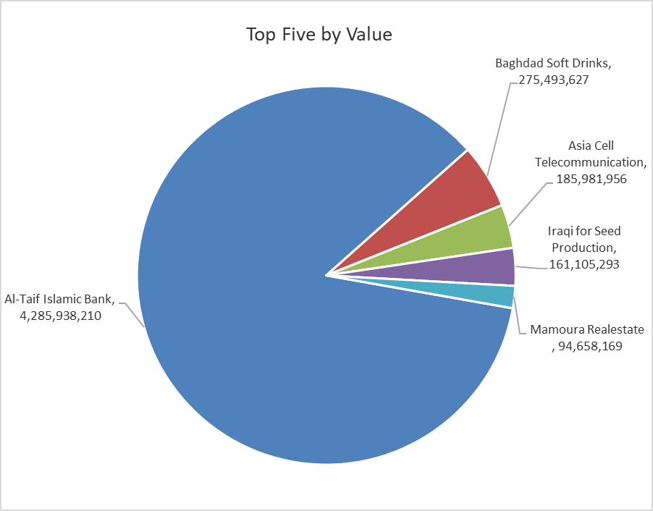

ISX top ganing and losing companies
Monday 13/7/2026
 | Gainers |  |  |  | Losers
 | Company Name | Closing Price | Change (%) | Traded Volume | Company Name | Closing Price | Change (%) | Traded Volume
 | Al -Khazer Construction Materials | 1.250 | 5.93 | 125,000 | Iraqi Carton Manufactories | 2.180 | -9.92 | 298,239
 | International Islamic Bank | 0.230 | 4.55 | 30,253 | Al-Ameen for Insurance | 0.800 | -8.05 | 8,486,959
 | National for Tourist Investment | 9.000 | 3.45 | 83,858 | Gulf Commercial Bank | 0.320 | -3.03 | 50,834,468
 | Baghdad Hotel | 12.400 | 3.33 | 560,000 | Modern for Animal Production | 0.350 | -2.78 | 236,419
 | Mamoura Realestate | 3.760 | 3.01 | 24,594,099 | Fallujah for construction Materials | 2.700 | -1.82 | 1,310,361
 | The most active companies in term of traded volume and value

 | Traded Volume |  |  |  | Traded Value
 | Company Name | Closing Price | Change (%) | Traded Volume | Company Name | Closing Price | Change (%) | Traded Value
 | Al-Taif Islamic Bank | 0.950 | 0.00 | 4,511,513,905 | Al-Taif Islamic Bank | 0.950 | 0.00 | 4,285,938,210
 | Sumer Commercial Bank | 0.220 | 0.00 | 52,002,271 | Baghdad Soft Drinks | 6.000 | -10.71 | 275,493,627
 | Gulf Commercial Bank | 0.320 | -3.03 | 50,834,468 | Asia Cell Telecommunication | 16.200 | 1.57 | 185,981,956
 | Commercial Islamic Bank of Iraq | 0.640 | 0.00 | 46,328,684 | Iraqi for Seed Production | 6.450 | -0.62 | 161,105,293
 | Baghdad Soft Drinks | 6.000 | -10.71 | 45,572,459 | Mamoura Realestate | 3.760 | 3.01 | 94,658,169

Non Iraqis

Iraq Stock Exchange
Non Iraqis' Bulletin Monday July 13 2026
Regular Market

Non Iraqi Trading of Regular Market (Buy)
Company Names | Code | No.of trades | Traded Shares | Trading Volume
Banks Sector
Bank Of Baghdad | BBOB | 38 | 12,905,285 | 38,447,749
National Bank Of Iraq | BNOI | 1 | 316,800 | 1,279,872
Al-Mansour Bank | BMNS | 7 | 25,000,000 | 47,500,000
Total Bank sector |  | 46 | 38,222,085 | 87,227,621
Grand Total |  | 46 | 38,222,085 | 87,227,621

Non Iraqi Trading of Regular Market (Sell)
Company Names | Code | No.of trades | Traded Shares | Trading Volume
Banks Sector
Commercial Bank of Iraq | BCOI | 7 | 2,000,000 | 1,280,000
National Bank Of Iraq | BNOI | 14 | 1,409,810 | 5,639,409
Total Bank sector |  | 21 | 3,409,810 | 6,919,409
Telecommunication Sector
Asia cell | TASC | 25 | 2,000,000 | 32,000,000
Total Telecommunication sector |  | 25 | 2,000,000 | 32,000,000
Grand Total |  | 46 | 5,409,810 | 38,919,409

OTC

Iraq Stock Exchange

Monday 13/7/2026

OTC Platform Trading Bulletin No (120)
Company Name | Code | highest price | lowest price | Average price | No.of Trades | Traded Volume | Traded Value
Banks Sector
Al-Warka Bank | BWAI | 0.150 | 0.140 | 0.150 | 6 | 340,000 | 49,900
Total Of Money Service Sector |  |  |  |  | 6 | 340,000 | 49,900
Total |  |  |  |  | 6 | 340,000 | 49,900

Not Trading OTC Companies
Company Name |  |  | Code |  | Previous Average price
Banks Sector
Al-Sanam Islamic Bank |  |  | BSAN |  | 3.000
Hammurabi Commercial Bank |  |  | BHAM |  | ـــــــــــــــــــــــــــــــــــ
Industrial Sector
Kirkuk producing constructional materials |  |  | IKFP |  | 2.660
Money Service Sector
Rabee Securities |  |  | FRSE |  | 9.050
Karmal Brokerage |  |  | FKSX |  | 10.000
Iraqi Deposit Insurance Corporation |  |  | FIDI |  | 1.000
Ishtar Gate for e-Paymant |  |  | FISH |  | 1.000
Sama Baghdad Exchange |  |  | FSBE |  | ـــــــــــــــــــــــــــــــــــ
Insurance Sector
Almaseer lnsurance Company |  |  | NMAS |  | ـــــــــــــــــــــــــــــــــــ
Zain lnsurance Company |  |  | NZA |  | ـــــــــــــــــــــــــــــــــــ
Dar Altheqa Insurance Company |  |  | NDAR |  | ـــــــــــــــــــــــــــــــــــ
Shatt Al Arab Insurance |  |  | NSHA |  | 1.000
Al Badia Insurance |  |  | NBAD |  | ـــــــــــــــــــــــــــــــــــ
Kurdistan Insurance |  |  | NKUI |  | 0.500
Elaf Insurance |  |  | NELF |  | ـــــــــــــــــــــــــــــــــــ
Dilina Insurance Company |  |  | NDIL |  | ـــــــــــــــــــــــــــــــــــ

Not Trading Bonds

Iraq Stock Exchange
Monday 13/7/2026
Not Trading Bonds Bulletin
Bond type | Publish type | Code | last trading price | immortilize date
Banaa Bonds /Million ID | Second | CB20 | 964,981 | 19/12/2025
Eamar Bonds /Million ID | First | CB30 | 1,001,095 | ــــــــــــــــ
Eamar Bonds /Million ID | Second | CB40 | ــــــــــــــــ | ــــــــــــــــ
Eamar Bonds /500 Thousand ID | Third | CB45 | ــــــــــــــــ | ــــــــــــــــ
Eamar Bonds /Million ID | Third | CB50 | ــــــــــــــــ | ــــــــــــــــ
Injaz Bonds /500 Thousand ID | First | CB55 | ــــــــــــــــ | ــــــــــــــــ
Injaz Bonds /Million ID | First | CB60 | 951,110 | ــــــــــــــــ
Injaz Bonds /Million ID | Second | CB70 | 965,050 | ــــــــــــــــ
Injaz Bonds /500 Thousand ID | Third | CB75 | ــــــــــــــــ | ــــــــــــــــ
Injaz Bonds /Million ID | Third | CB80 | 978,182 | ــــــــــــــــ
National Bonds/Million ID | First | CB90 | ــــــــــــــــ | ــــــــــــــــ
National Bonds/500 Thousand ID | Second | CB95 | ــــــــــــــــ | ــــــــــــــــ
National Bonds/Million ID | Second | CB100 | ــــــــــــــــ | ــــــــــــــــ

